14 Logistic Robots Companies
14 Logistic Robots Manufacturers in China
Company Name | City | Phone | Adress | Website | Product Photo
Geek+ | Beijing (HQ) | 010-58499787 |  | www.geekplus.com.cn | 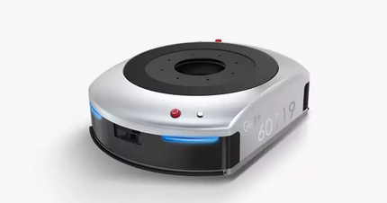
 | Shanghai | 021-80264509

Flash Hold | Shanghai | 021-66182202 | 215-217 Room, Bldg C, Changjiang Software Park, 180 South Changjiang Road, Baoshan District | www.flashhold.com | 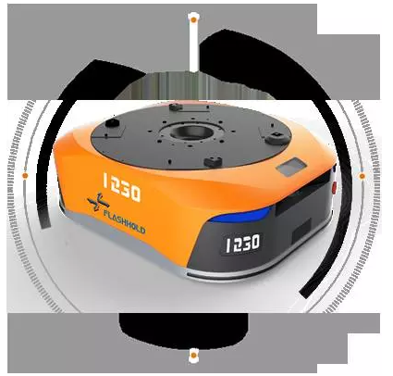

OK AGV | Shenzhen | 0755-29851810 | Bldg #14, Robot Industrial Park, Dayangtian, Yongzhen | www.okagv.com | 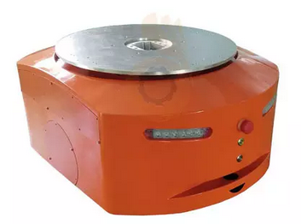

Siasun | Listed in the other tab
WaterRock Tech | Beijing |  | Yizhuang Development Park | www.waterrocktech.com | 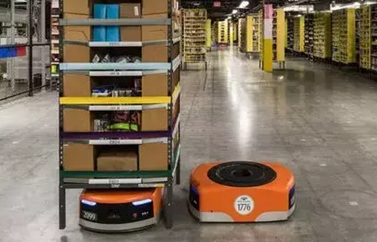

HIK Vision | Hangzhou | 0571-8807-5998 | No.555 Qianmo Road, Binjiang District | www.hikvision.com | 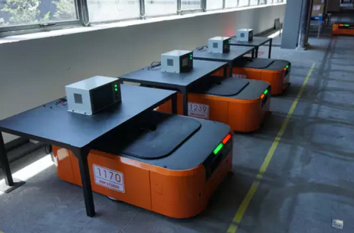

Malu Innovation | Shanghai | 177 2798 9116 |  | www.maluinnovation.com

NJ Robot | Hangzhou | 0571-2802 8688 | 8F, Hualing Guoji, 308 Wantang Road | www.njrobot.com | 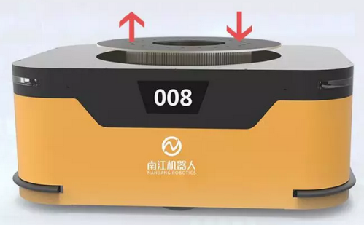

GZ Robot | Hangzhou | 0571-81119370 | 3F, Area B, Zhongkong Tech Park, 309, Liuhe Road | www.gzrobot.com | 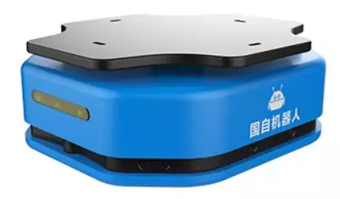

Gen Song Tech | Hefei | 0551-64639073 | Bisheng Road & Sishui Road | www.gen-song.net | 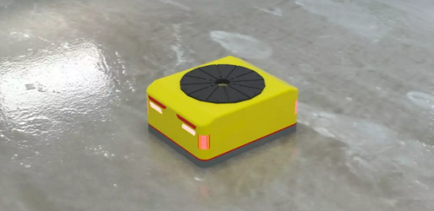

Jiatuo Tech | Hangzhou | 0571-88920536 | 2F, Bldg #2, Huyuan Electronic Park, Xiyuan San Road, | www.jiatuo.net

Zhijiu Robot | Xiamen | 0592-5854599 | 88 Xiangxing Road, Taiwan Tech Company Center, Xiang'an Torch High-tech Zone | www.zj-r.com | 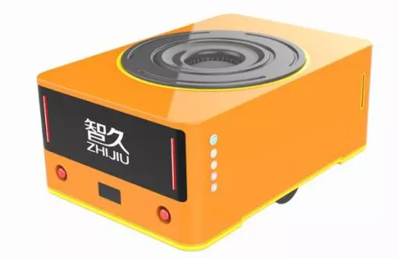

YiFeng Robot | Shenzhen | 400-788-6299 | Bldg #63, Dayun Software Town, Henggang Street, Longgang District | www.yfrobot.net | 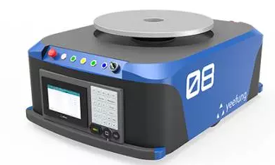

A-Carrier | Wuxi | 0510-82624199 | 1008, Bldg #3, 311 Yanxin Road, Huishan Development Zone | www.a-carrier.com | 